D1
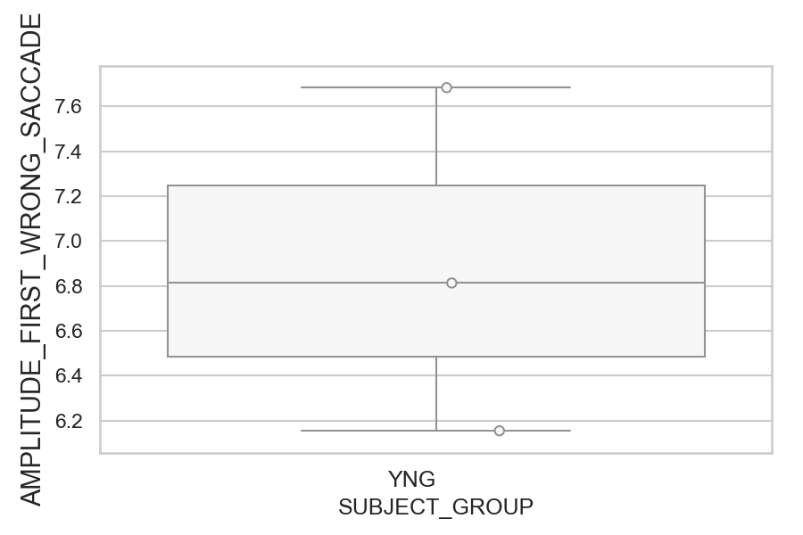
Amplitude of the wrong saccade (degrees) (mean of all trials per subject)
SUBJECT_NAME | SUBJECT_GROUP | SUBJECT_AGE | VALUE
MP1 | YNG |  | 7.6828090061
AW002AF | YNG | 19 | 6.8129178172
AW001CG | YNG | 19 | 6.1548324748

D1 (types)
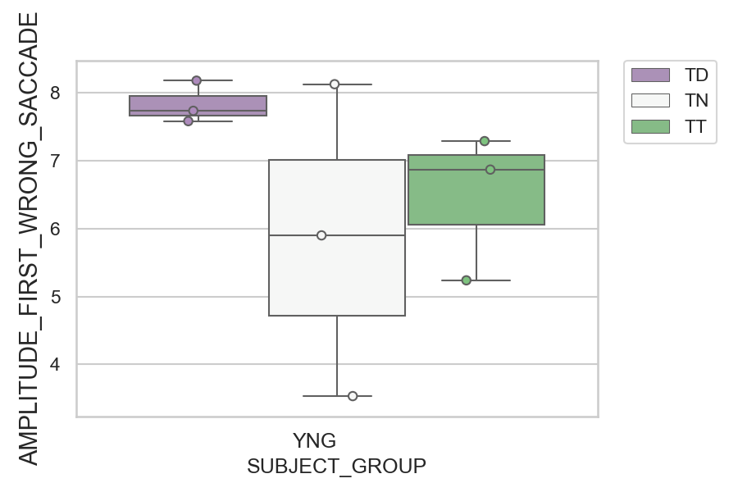
Amplitude of the wrong saccade (degrees) (mean of all trials per subject)
SUBJECT_NAME | SUBJECT_GROUP | CONDITION_APPEARANCE | SUBJECT_AGE | VALUE
AW001CG | YNG | TD | 19 | 8.1830878752
MP1 | YNG | TN |  | 8.1305710766
MP1 | YNG | TD |  | 7.7383556505
AW002AF | YNG | TD | 19 | 7.5856700804
MP1 | YNG | TT |  | 7.2917232184
AW002AF | YNG | TT | 19 | 6.8720152751
AW002AF | YNG | TN | 19 | 5.9022714856
AW001CG | YNG | TT | 19 | 5.2396051097
AW001CG | YNG | TN | 19 | 3.5331750636

D2
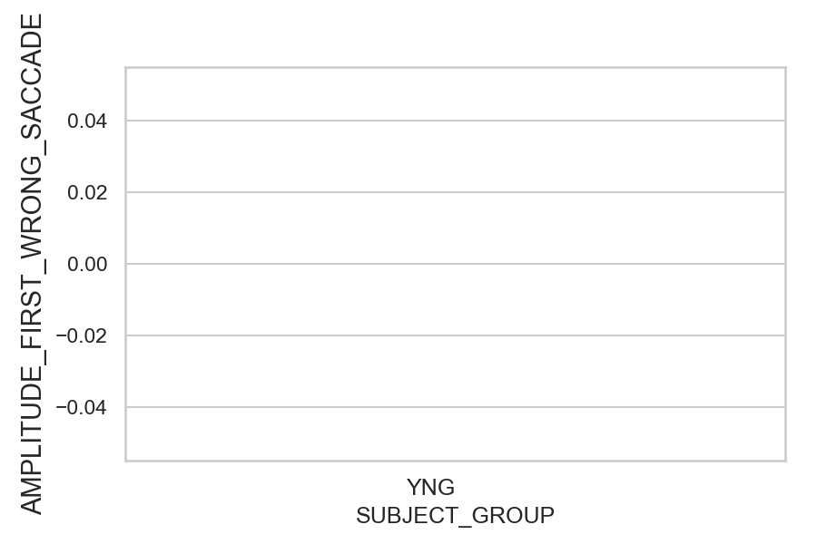
Amplitude of the wrong saccade (degrees) (mean of all trials per subject)
SUBJECT_NAME | SUBJECT_GROUP | SUBJECT_AGE | VALUE
AW001CG | YNG | 19
AW002AF | YNG | 19
MP1 | YNG

D2 (types)
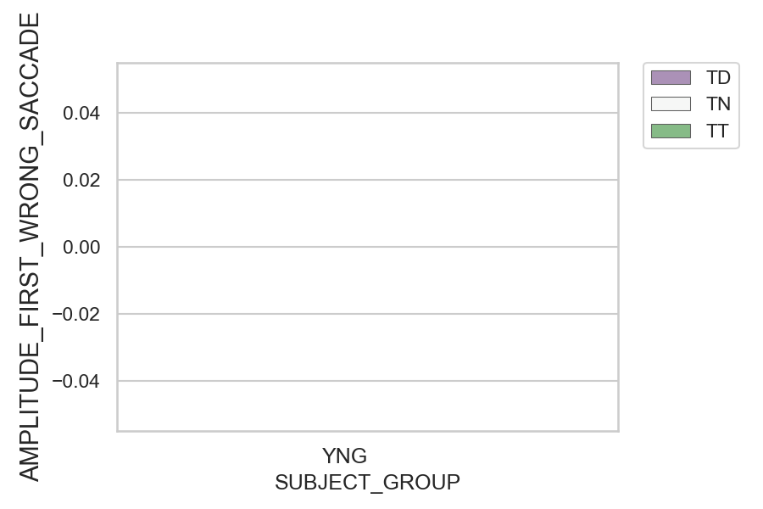
Amplitude of the wrong saccade (degrees) (mean of all trials per subject)
SUBJECT_NAME | SUBJECT_GROUP | CONDITION_APPEARANCE | SUBJECT_AGE | VALUE
AW001CG | YNG | TD | 19
AW001CG | YNG | TN | 19
AW001CG | YNG | TT | 19
AW002AF | YNG | TD | 19
AW002AF | YNG | TN | 19
AW002AF | YNG | TT | 19
MP1 | YNG | TD
MP1 | YNG | TN
MP1 | YNG | TT

